1. Title Page
Instacart Grocery Basket Analysis

Project Name: Instacart Grocery Basket Analysis
Date: February 16th, 2024
Analyst Name: Chrisitian Hans

Contents:
Population Flow
Consistency checks
Wrangling steps
Column derivations
Visualizations
Recommendations

2. Population Flow
Title page

Population flow

Exclusion flag
Condition: order_number < 5
Obervations to be removed: 7989982
Final total count of order_products_all: 24414877

Orders_products_combined
Orders_products_merged
Orders_products_all

Total: 32404859
Total: 32434489
Total: 32404859

1.) The grey boxes in the first row of the population flow represent the original data sets as they were when you downloaded them. In the Total fields you need to add the count of the rows when you imported the data set into Jupyter.
2.) The second row of boxes (coloured) represents the data sets after you manipulated them, e.g., removed missing values and duplicates. In the Total fields you need to add the count of the rows after conducting these operations. This offers a visual oveview of how the data flows throughout the data consistency checks.
3.) The third row, where also the arrows are coloured, represents the merges you performed between the datasets. In the Total fields you need to add the count of the rows in the merged datasets, so that you end up with the final dataset (in the red box). Keep in mind the final dataset should be without exclusions (based on the exclusion flag).

3. Consistency checks
 |  |  |  | Title page
Consistency checks

Dataset | Missing values | Missing values treatment | Duplicates
orders | 206209 missing values in days_since_prior_order | No action needed because thes values are first orders so that there is no prior day | 0 duplicates
products | 16 missing values in product_name | New dataframe df_prods_clean was created | 5 duplicates
orders_products_prior | No missing values |  | 0 duplicates
customers | 11259 missing first_name | column remained unchanged | 0 duplicates

4. Wrangling steps
 |  |  |  |  | Title page
Wrangling steps

Dataset | Columns dropped | Columns renamed | Columns' type changed | Comment/Reason
orders | eval_set |  |  | unnecessary column
orders |  | order_dow |  | changed the name for more intuitive name 'orders_day_of_week
orders |  |  | order_id | changed to str for better memory usage
orders |  |  | user_id | changed to str for better memory usage
orders |  | order_number |  | changed the name for more intuitive name 'number_of_orders
products_checked | Unnamed: 0 |  |  | unnecessary column
orders_products_combined | _merge |  |  | unnecessary column
customers |  | Surnam |  | changed to surname
customers |  | fam_status |  | changed to family_status
customers |  | STATE |  | changed to State
customers |  | n_dependants |  | changed to dependants
customers |  | First Name |  | changed to first_name
ords_prods_merge_aggregation | _merge |  |  | unnecessary column
ords_prods_merge_aggregation |  |  | user_id | changed to str for better memory usage
customers |  |  | user_id | changed to str for better memory usage
orders_products_customer | first_name |  |  | personally identifiable information
orders_products_customer | surname |  |  | personally identifiable information
orders_products_customer | _merge |  |  | unnecessary column
orders_products_customer |  |  | department_id | changed data type for better memory usage
orders_products_customer |  |  | product_id | changed data type for better memory usage

5. Column derivations
 |  |  |  | Title page

Column derivations and aggregations

In this tab you should add tables below that the frequences of flags/label variables that you produced after deriving them. NB: don't do this for continuous variables, only for flags.
Dataset | New column | Column/s it was derived from | Conditions
orders_products_merged | price_range_loc | prices | ords_prods_merge.loc[ords_prods_merge['prices'] > 15, 'price_range_loc'] = 'High-range product'
 |  |  | ords_prods_merge.loc[(ords_prods_merge['prices'] <= 15) & (df['prices'] > 5), 'price_range_loc'] = 'Mid-range product'
 |  |  | ords_prods_merge.loc[ords_prods_merge['prices'] <= 5, 'price_range_loc'] = 'Low-range product'

orders_products_merged | busiest_day | order_days_of_week | for value in ords_prods_merge["order_dow"]:
 |  |  | if value == 0 or value == 1:
 |  |  | result_2.append("Busiest days")
 |  |  | elif value == 4 or value == 3:
 |  |  | result_2.append("Slowest days")
 |  |  | else:
 |  |  | result_2.append("Regularly busy")
orders_products_merged | busiest_period_of_day | order_hour_of_day | for value in ords_prods_merge['order_hour_of_day']:
 |  |  | if value in [10, 11, 14, 15, 13, 12, 16, 9]:
 |  |  | result_3.append('Most orders')
 |  |  | elif value in [17, 8, 18, 19, 20, 7, 21, 22]:
 |  |  | result_3.append('Average orders')
 |  |  | else: result_3.append('Fewest orders')
orders_products_merged_new_columns | max_order | user_id and order_number | ords_prods_merge['max_order'] = ords_prods_merge.groupby(['user_id'])['order_number'].transform(np.max)

orders_products_merged_new_columns | loyalty_flag | max_order | ords_prods_merge.loc[ords_prods_merge['max_order'] > 40, 'loyalty_flag'] = 'Loyal customer'
 |  |  | ords_prods_merge.loc[(ords_prods_merge['max_order'] <= 40) & (ords_prods_merge['max_order'] > 10), 'loyalty_flag'] = 'Regular customer'
 |  |  | ords_prods_merge.loc[ords_prods_merge['max_order'] <= 10, 'loyalty_flag'] = 'New customer'

orders_products_merged_new_columns | average_spend | user_id and prices | ords_prods_merge['average_spend'] = ords_prods_merge.groupby(['user_id'])['prices'].transform(np.mean)

orders_products_merged_new_columns | spender_performance | average_spend | ords_prods_merge.loc[ords_prods_merge['average_spend'] < 10, 'spender_performance'] = 'Low spender'
 |  |  | ords_prods_merge.loc[ords_prods_merge['average_spend'] >= 10, 'spender_performance'] = 'High spender'

orders_products_merged_new_columns | frequency_order | user_id and days_since_prior_order | ords_prods_merge['frequency_order'] = ords_prods_merge.groupby(['user_id'])['days_since_prior_order'].transform(np.median)

orders_products_merged_new_columns | frequency_flag | frequency_order | ords_prods_merge.loc[ords_prods_merge['frequency_order'] > 20, 'frequency_flag'] = 'Non-frequent customer'
 |  |  | ords_prods_merge.loc[(ords_prods_merge['frequency_order'] >10) & (ords_prods_merge['frequency_order'] <= 20), 'frequency_flag'] = 'Regular customer'
 |  |  | ords_prods_merge.loc[ords_prods_merge['frequency_order'] <=10, 'frequency_flag'] = 'Frequent customer'

orders_products_customer | Region | State | Northeast = ['Maine', 'New Hampshire', 'Vermont', ….........]
 |  |  | Midwest = ['Wisconsin', 'Michigan', 'Illinois',…......]
 |  |  | South = ['Delaware', 'Maryland', 'District of Columbia', ….........]
 |  |  | West = ['Idaho','Montana', 'Wyoming', 'Nevada',….........]

 |  |  | for state in df['State']:
 |  |  | if state in Northeast:
 |  |  | regions.append('Northeast')
 |  |  | elif state in Midwest:
 |  |  | regions.append('Midwest')
 |  |  | elif state in South:
 |  |  | regions.append('South')
 |  |  | elif state in West:
 |  |  | regions.append('West')
 |  |  | else:
 |  |  | print('error')

orders_products_customer | age-group | Age | df_drop.loc[df_drop['Age'] <= 33, 'age-group'] = 'young adult'
 |  |  | df_drop.loc[(df_drop['Age'] > 33) & (df_drop['Age'] < 65), 'age-group'] = 'middle-aged adult'
 |  |  | df_drop.loc[df_drop['Age'] >= 65, 'age-group'] = 'old adult'

orders_products_customer | income-group | income | df_drop.loc[df_drop['income'] <= 67524, 'income-group'] = 'low income'
 |  |  | df_drop.loc[(df_drop['income'] > 67524) & (df_drop['Age'] < 128160), 'income-group'] = 'middle income'
 |  |  | df_drop.loc[df_drop['income'] > 128160 , 'income-group'] = 'high income'

orders_products_customer | fam_status | family_status | df_drop.loc[(df_drop['family_status'] == 'married') & (df_drop['dependants'] == 0), 'fam_status'] = 'married without dependants'
 |  |  | df_drop.loc[(df_drop['family_status'] == 'married') & (df_drop['dependants'] >= 1), 'fam_status'] = 'married with dependants'
 |  |  | df_drop.loc[(df_drop['family_status'] == 'single') & (df_drop['dependants'] == 0), 'fam_status'] = 'single without dependants'
 |  |  | df_drop.loc[(df_drop['family_status'] == 'single') & (df_drop['dependants'] >= 1), 'fam_status'] = 'single with dependants'
 |  |  | df_drop.loc[(df_drop['family_status'] == 'divorced/widowed') & (df_drop['dependants'] == 0), 'fam_status'] = 'divorced/widowed without dependants'
 |  |  | df_drop.loc[(df_drop['family_status'] == 'divorced/widowed') & (df_drop['dependants'] >= 1), 'fam_status'] = 'divorced/widowed with dependants'
 |  |  | df_drop.loc[(df_drop['family_status'] == 'living with parents and siblings') & (df_drop['dependants'] == 0), 'fam_status'] = 'living with parents and siblings without dependants'
 |  |  | df_drop.loc[(df_drop['family_status'] == 'living with parents and siblings') & (df_drop['dependants'] >= 1), 'fam_status'] = 'living with parents and siblings with dependants'

6. Visualizations
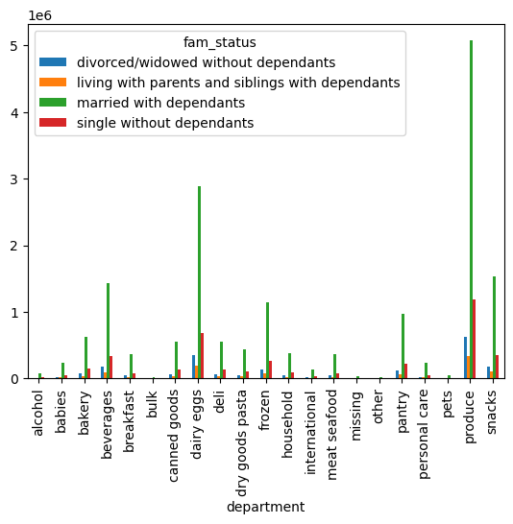
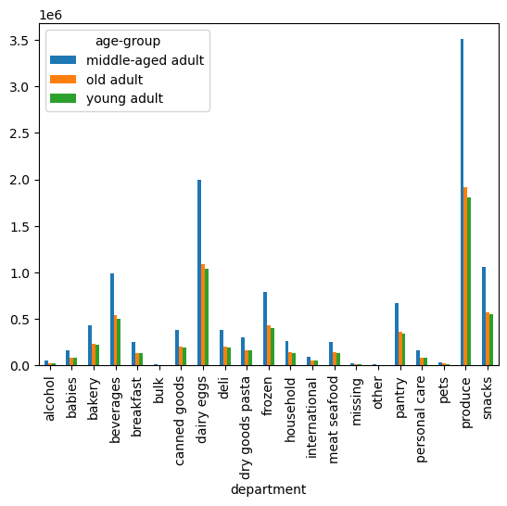
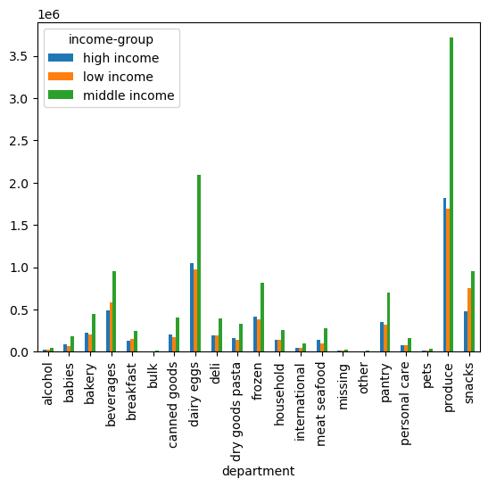
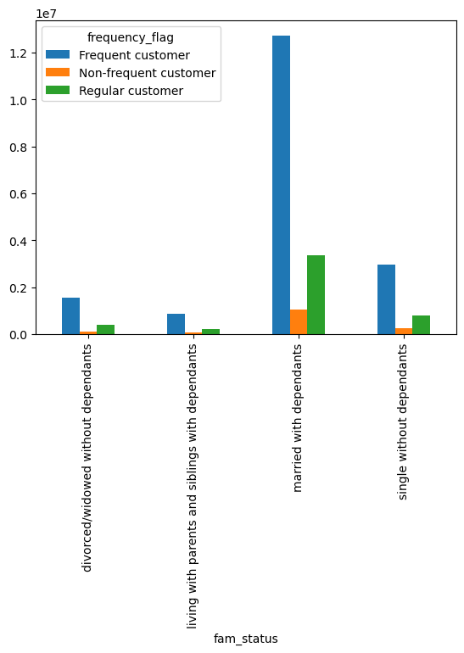
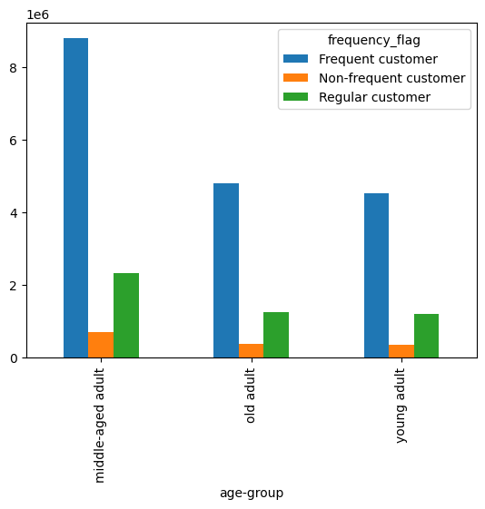
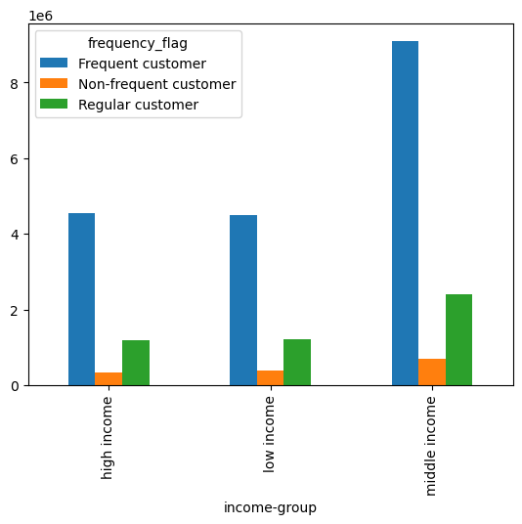
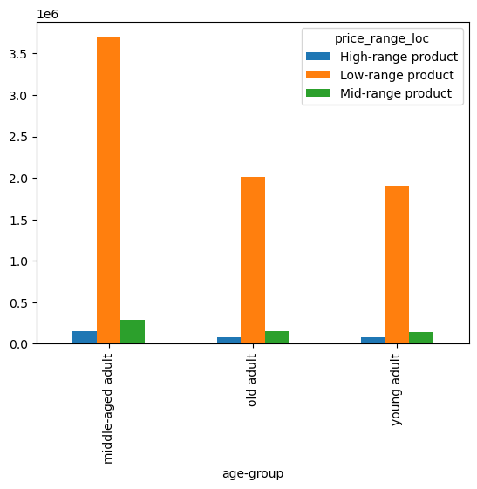
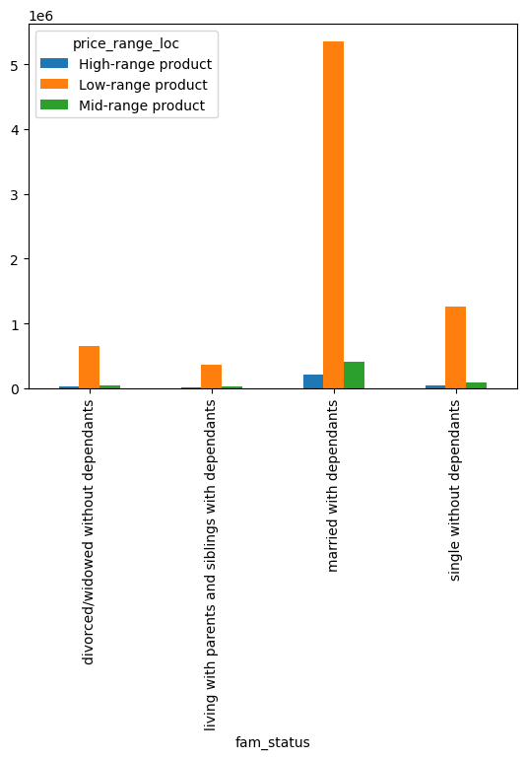
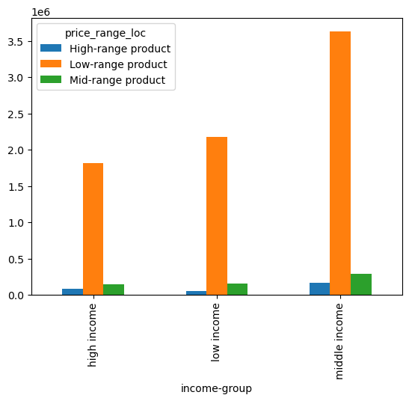
 |  |  |  | Title page

Visualisations

Question 1 | The sales team needs to know what the busiest days of the week and hours of the |  | day are (i.e., the days and times with the most orders) in order to schedule ads at times when there are fewer orders.

Comment: | The busiest hours are between 9 a.m and 3 p.m. The busiest day is Monday and Tuesday and the least busy days are Thursday and Friday.

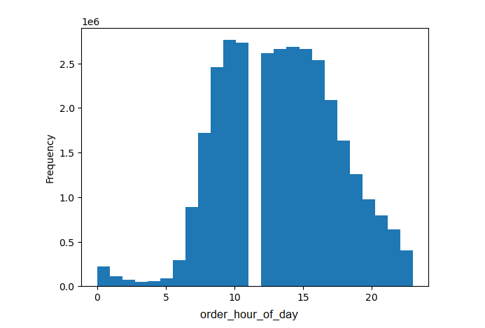
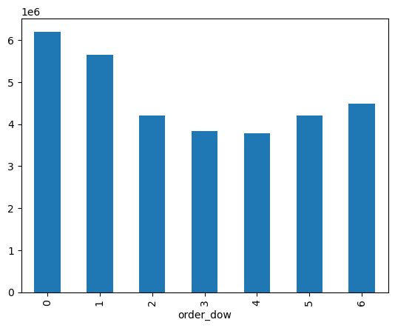

Question 2 | They also want to know whether there are particular times of the day when people spend the most money, as this might inform the type of products they advertise at these times.

Comment | The peak hours of peole spending are between 10 a.m and 3 p.m.

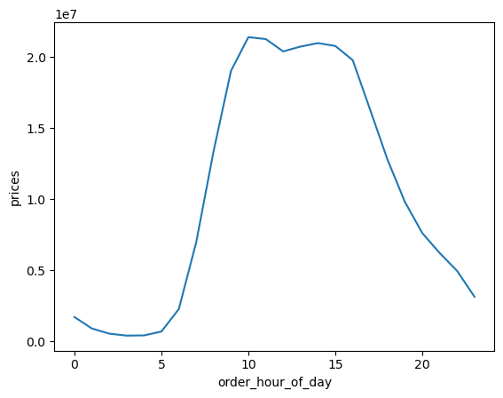

Question 3 | Instacart has a lot of products with different price tags. Marketing and sales want to use simpler price range groupings to help direct their efforts

Comment | Instead of using price tags the prices were subdivided into price groups as follows: Low-range product below 5 USD, Mid-range product from 5 to 15 USD and High-range-product above 15 USD

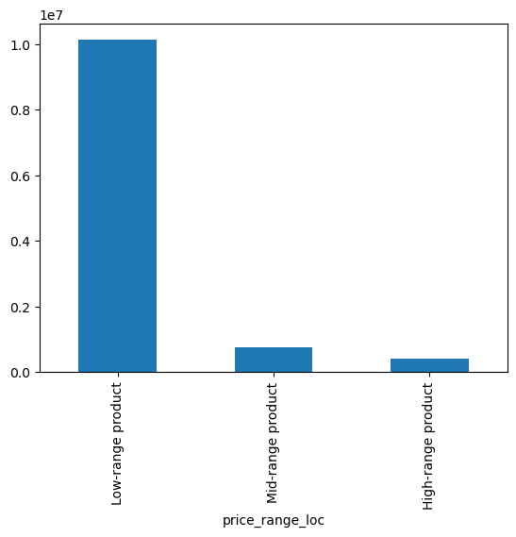

Question 4 | Are there certain types of products that are more popular than others? The marketing and sales teams want to know which departments have the highest frequency of product orders.

Comment | The most popular department is the produce department followed by dairy eggs.

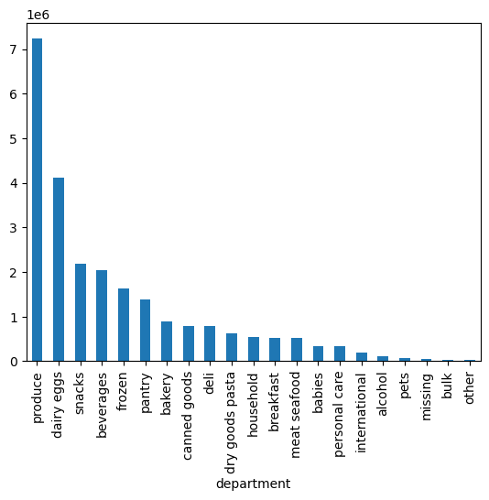

Question 5 |  | The marketing and sales teams are particularly interested in the different types of customers in their system and how their ordering behaviors differ. For example:

 | 5a | What’s the distribution among users in regards to their brand loyalty (i.e., how often do they return to Instacart)?

 | Comment | The most loyal customers are Regular Customers followed by Loyal Customers and New Customers.

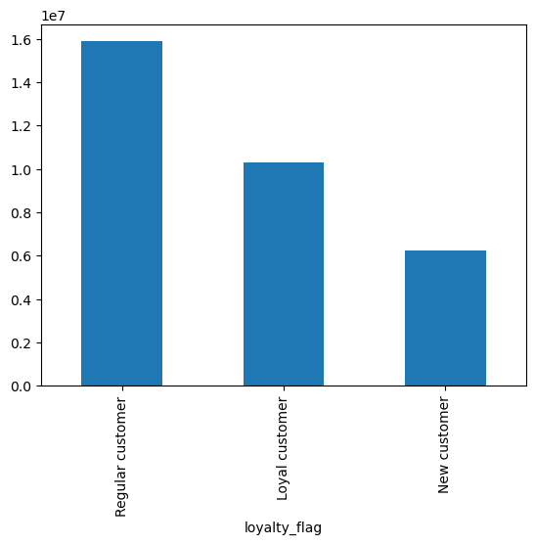

 | 5b | Are there differences in ordering habits based on a customer’s loyalty status?

 | Comment | The Regular Customers and New Customer follow the same pattern in terms of busiest day whereas this pattern for the Loyal customer is different.
 |  | Moreover the Regular Customers remain the most loyal customers in terms of soending.
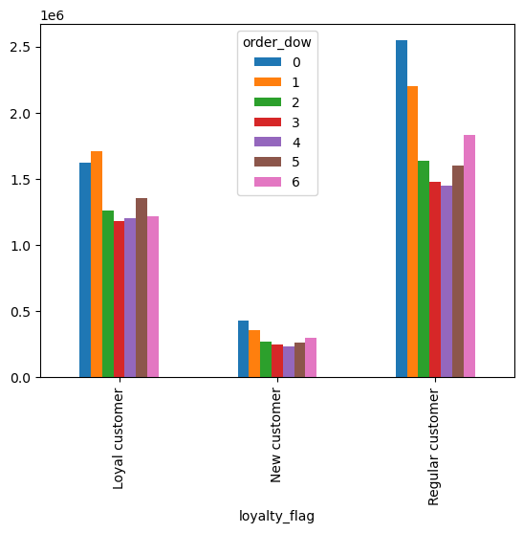

 | 5c | Are there differences in ordering habits based on a customer’s region?

 | Comment | Most frequent Customers live in the south region followed by West, Midwest, and Northeast. The same rule applies for the other frequency flags.
 |  | Moreover in all regions the departments produce and dairy eggs are the most popular departments.

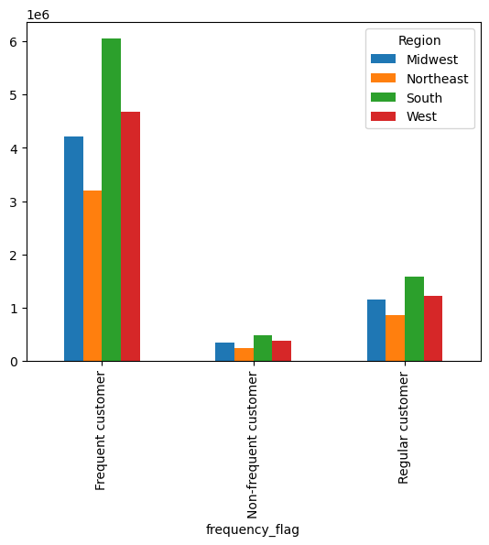
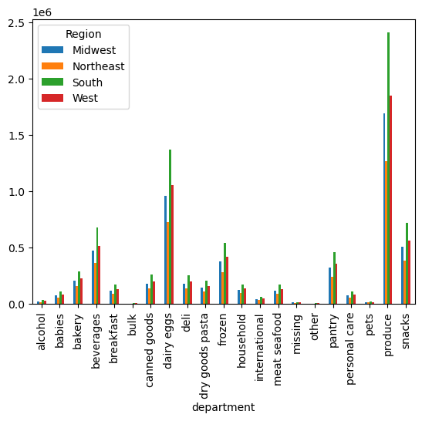

 | 5d | Is there a connection between age and family status in terms of ordering habits ?

 | Comment | People who are married with dependents spend the most money. Their ordering habits follow the same pattern as busiest hours and busiest days.
 |  | The same rule applies for the other family statuses.

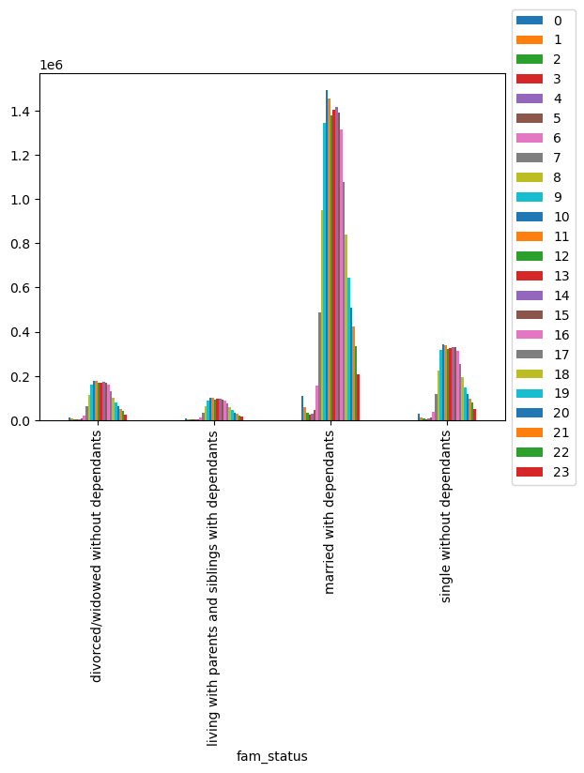
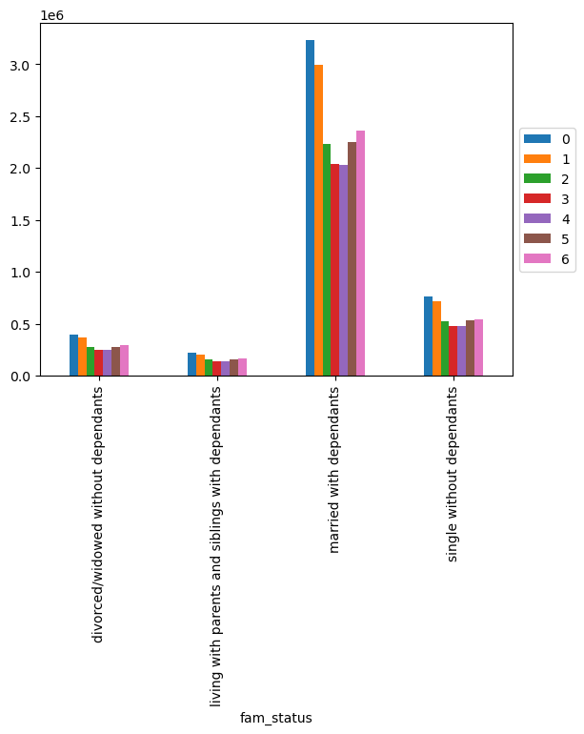

 | 5e | What different classifications does the demographic information suggest? Age? Income? Certain types of goods? Family status?

 | Comment | There is no visible connection between family status and the products that people buy.
 |  | The income up to 400.000 USD includes all age groups. The income above 400.000 USD begins with the age of 40 which can be explained due to the fact that with increasing age the employees are more experienced and qualified

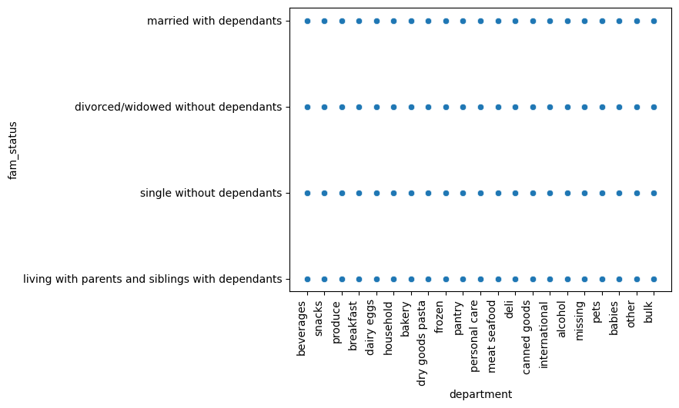


 | 5f | What differences can you find in ordering habits of different customer profiles? Consider the price of orders, the frequency of orders, the products customers are ordering, and anything else you can think of.

 | Comment | The graphs below show the following pattern: Middle aged people who are married and have dependents and have middle income are the most frequent customers, they spend their money mostly on
 |  | low range products and the most popular product departments are produce and dairy eggs

7. Recommendations
 |  |  | Title page

Recommendations

In this tab you should include any recommendations you would made to Instcart in terms of their marketing strategy based on the questions posed in the brief. Every key question has been covered in the Tasks of the Exercises - here you need to add an item - a visualisation or table/crosstable that is showing the answer in the data, acompanied by a comment from you. Please, list the questions below and add the answer underneath.

Question |  |  |  | Recommendation
Note: Click on the Key Question to get to the respective visualisation
Key Question 1 | The sales team needs to know what the busiest days of the week and hours of the | day are (i.e., the days and times with the most orders) |  | Additional advertising on Monday and Tuesday between 9 a.m. and 3 p.m.
 | in order to schedule ads at times when there are fewer orders.

Key Question 2 | They also want to know whether there are particular times of the day when people spend |  |  | As the peak hours are between 10 a.m. and 3 p.m. most emplyees should be in place within these hours in order to address the higher demand.
 | the most money, as this might inform the type of products they advertise at these times.

Key Question 3 | Instacart has a lot of products with different price tags. |  |  | Low range products have the highest demand. Therefore we should ensure the steady supply of these product.
 | Marketing and sales want to use simpler price range groupings to help direct their efforts |  |  | Eventually money should be spend on additional advertising.

Key Question 4 | Are there certain types of products that are more popular than others? |  |  | Focus on the most popular products departments: produce, dairy eggs, snacks, beverages frozen, pantry, bakery and frozen goods.
 | The marketing and sales teams want to know which departments have the highest frequency of product orders.

Key Question 5a | What’s the distribution among users in regards to their brand loyalty (i.e., how often do they return to Instacart)? |  |  | Focus on Regular Customers and Loyal Customers and create more customer benefits programs for them.

Key Question 5b | Are there differences in ordering habits based on a customer’s loyalty status? |  |  | No further action necessary because this question has already been answered in 1 - 5

Key Question 5c | Are there differences in ordering habits based on a customer’s region? |  |  | Special focus on the South and West regions because most frequent customers live there. Shift more resources towards these regions.

Key Question 5d | Is there a connection between age and family status in terms of ordering habits ? |  |  | Special focus on maried people with dependents because they spend the most money.

Key Question 5e | What different classifications does the demographic information suggest? Age? Income? Certain types of goods? Family status? |  |  | No further action necessary because there are no clear patterns visible.

Key Question 5f | What differences can you find in ordering habits of different customer profiles? |  |  | Special focus on people who fulfill the following criteria: middle-aged, married with dependents and middle income.
 | Consider the price of orders, the frequency of orders, the products customers are ordering, and anything else you can think of. |  |  | Create special benefit program foor them.

